Example 1
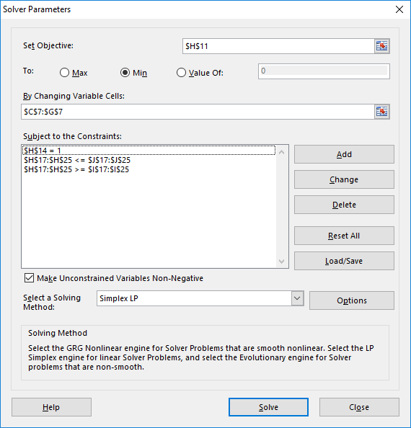
set objective function here
define decision variables here
constraints are listed here
modify constraints here
this takes care of the non-negativity constraints
our problem is an LP, so we select "Simplex LP"
hit "Solve" to optimize
Column Descriptions |  |  |  |  |  |  |  |  |  | Description of Solver Settings
 |  |  | Components |  |  | Blend | Specs |  | Constraint
 | Reformate | Isomerate | Alkylate | Cracked | Ethanol |  | MIN | MAX | upheld?

Decision Variables
blend ratio [vol%] | 50% | 15% | 5% | 20% | 10% | play around with the decision variables here
original ratios | 50% | 15% | 5% | 20% | 10% | copy values to reset to original example blend

Objective Function
Price [$/m³] | 420.00 | 435.00 | 440.00 | 423.00 | 350.00 | 416.85

Blend Balance Constraint
Sum of ratios | 1 | 1 | 1 | 1 | 1 | 100% |  |  | TRUE

Blend Specficications
Density@15°C [kg/l] | 0.790 | 0.680 | 0.700 | 0.680 | 0.794 | 0.747 | 0.720 | 0.775 | TRUE
RON | 96 | 88 | 101 | 93 | 112 | 96.05 | 95 | 999 | TRUE
Vapor Pressure [kPa] | 30 | 70 | 40 | 70 | 150 | 56.5 | 45 | 60 | TRUE
Aromates [vol%] | 58 | 1.5 | 0.1 | 1 | 0 | 29.43 | 0 | 35 | TRUE
Benzene [vol%] | 1.5 | 0.1 | 0.1 | 0.5 | 0 | 0.87 | 0 | 1 | TRUE
Ethanol [vol%] | 0 | 0 | 0 | 0 | 100 | 10 | 0 | 10 | TRUE
E70 [vol%] | 4 | 80 | 8 | 70 | 180 | 46.4 | 20 | 48 | TRUE
E100 [vol%] | 25 | 95 | 30 | 90 | 110 | 57.25 | 46 | 71 | TRUE
E150 [vol%] | 95 | 99 | 94 | 100 | 100 | 97.05 | 75 | 100 | TRUE
 |  |  |  |  | * cursive values are effective property values superseeding real ones

Example 2
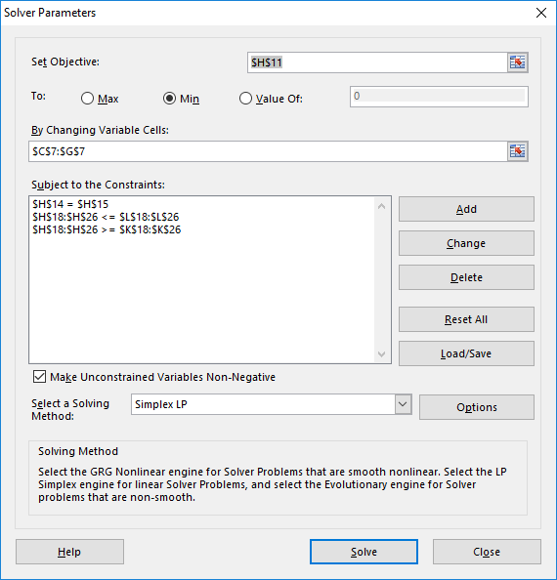
Column Descriptions |  |  |  |  |  |  |  |  |  | Solver Settings
 |  |  | Components |  |  | Blend | Specs |  | Constraint
 | Reformate | Isomerate | Alkylate | Cracked | Ethanol |  | MIN | MAX | upheld?

Decision Variables
blend quantity [m³] | 1000 | 300 | 100 | 400 | 200
original quantities | 1000 | 300 | 100 | 400 | 200

Objective Function
Price [$] | 420 | 435 | 440 | 423 | 350 | 833700

Blend Balance Constraint
Sum of quantities | 1 | 1 | 1 | 1 | 1 | 2000 |  |  | TRUE
 |  |  |  |  | Total Blend Quantity [m³]: | 2000

Blend Specficications
Density@15°C [kg/l] | 0.790 | 0.680 | 0.700 | 0.680 | 0.794 | 0.747 | 1 | 1 | TRUE
RON | 96 | 88 | 101 | 93 | 112 | 96.05 | 95 | 999 | TRUE
Vapor Pressure [kPa] | 30 | 70 | 40 | 70 | 150 | 56.5 | 45 | 60 | TRUE
Aromates [vol%] | 58 | 1.5 | 0.1 | 1 | 0 | 29.43 | 0 | 35 | TRUE
Benzene [vol%] | 1.5 | 0.1 | 0.1 | 0.5 | 0 | 0.87 | 0 | 1 | TRUE
Ethanol [vol%] | 0 | 0 | 0 | 0 | 100 | 10 | 0 | 10 | TRUE
E70 [vol%] | 4 | 80 | 8 | 70 | 180 | 46.4 | 20 | 48 | TRUE
E100 [vol%] | 25 | 95 | 30 | 90 | 110 | 57.25 | 46 | 71 | TRUE
E150 [vol%] | 95 | 99 | 94 | 100 | 100 | 97.05 | 75 | 100 | TRUE
 |  |  |  |  | * cursive values are effective property values superseeding real ones

Example 3
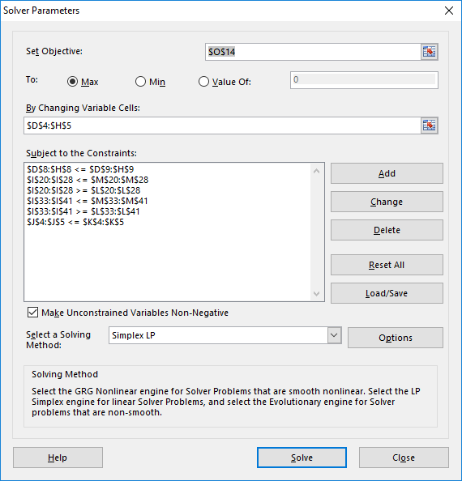
Decision Variables [m³] |  |  |  | Components |  |  |  | Total blends and constraints |  |  |  | Objective Function: Sales Part |  | Solver Settings
 |  | Reformate | Isomerate | Alkylate | Cracked | Ethanol |  | Total Blends [m³] | Max Blend [m³] | Max Check |  | Sales Price [$/m³] | Sales Revenue [$]
Blends | Premium gasoline E10 |  |  |  |  |  |  | 0 | 2500 | TRUE |  | 425 | 0
 | Premium gasoline E5 |  |  |  |  |  |  | 0 | 4000 | TRUE |  | 429 | 0

 | Total components and constraints
 | Total components [m³] | 0 | 0 | 0 | 0 | 0
 | Max components [m³] | 2000 | 1000 | 2000 | 2000 | 1000
 | Max Check | TRUE | TRUE | TRUE | TRUE | TRUE

 | Objective Function: Purchase Part
 | Component Costs [$/m³] | 420 | 435 | 440 | 423 | 350 |  |  |  |  |  | Objective Function: Total
 | Total Comp. Costs [$] | 0 | 0 | 0 | 0 | 0 |  |  |  |  |  | Total Profit [$]: | 0

 | Blend Specficications E10 |  |  |  |  |  | Property x | Specs |  | Specs x Quantity |  | On Spec? | Blend Property
 |  |  |  |  |  |  | Quantity | MIN | MAX | MIN | MAX
 | Density@15°C [kg/l] | 0.790 | 0.680 | 0.700 | 0.680 | 0.794 | 0.0 | 0.720 | 0.775 | 0 | 0 | TRUE | #DIV/0!
 | RON | 96 | 88 | 101 | 93 | 112 | 0.0 | 95 | 999 | 0 | 0 | TRUE | #DIV/0!
 | Vapor Pressure [kPa] | 30 | 70 | 40 | 70 | 150 | 0.0 | 45 | 60 | 0 | 0 | TRUE | #DIV/0!
 | Aromates [vol%] | 58 | 1.5 | 0.1 | 1 | 0 | 0.0 | 0 | 35 | 0 | 0 | TRUE | #DIV/0!
 | Benzene [vol%] | 1.5 | 0.1 | 0.1 | 0.5 | 0 | 0.0 | 0 | 1 | 0 | 0 | TRUE | #DIV/0!
 | Ethanol [vol%] | 0 | 0 | 0 | 0 | 100 | 0.0 | 0 | 10 | 0 | 0 | TRUE | #DIV/0!
 | E70 [vol%] | 4 | 80 | 8 | 70 | 180 | 0.0 | 20 | 48 | 0 | 0 | TRUE | #DIV/0!
 | E100 [vol%] | 25 | 95 | 30 | 90 | 110 | 0.0 | 46 | 71 | 0 | 0 | TRUE | #DIV/0!
 | E150 [vol%] | 95 | 99 | 94 | 100 | 100 | 0.0 | 75 | 100 | 0 | 0 | TRUE | #DIV/0!
 |  |  |  |  |  | * cursive values are effective property values superseeding real ones

 | Blend Specficications E5 |  |  |  |  |  | Property x | Specs |  | Specs x Quantity |  | On Spec? | Blend Property
 |  |  |  |  |  |  | Quantity | MIN | MAX | MIN | MAX
 | Density@15°C [kg/l] | 0.790 | 0.680 | 0.700 | 0.680 | 0.794 | 0.0 | 0.720 | 0.775 | 0 | 0 | TRUE | #DIV/0!
 | RON | 96 | 88 | 101 | 93 | 112 | 0.0 | 95 | 999 | 0 | 0 | TRUE | #DIV/0!
 | Vapor Pressure [kPa] | 30 | 70 | 40 | 70 | 150 | 0.0 | 45 | 60 | 0 | 0 | TRUE | #DIV/0!
 | Aromates [vol%] | 58 | 1.5 | 0.1 | 1 | 0 | 0.0 | 0 | 35 | 0 | 0 | TRUE | #DIV/0!
 | Benzene [vol%] | 1.5 | 0.1 | 0.1 | 0.5 | 0 | 0.0 | 0 | 1 | 0 | 0 | TRUE | #DIV/0!
 | Ethanol [vol%] | 0 | 0 | 0 | 0 | 100 | 0.0 | 0 | 5 | 0 | 0 | TRUE | #DIV/0!
 | E70 [vol%] | 4 | 80 | 8 | 70 | 180 | 0.0 | 20 | 48 | 0 | 0 | TRUE | #DIV/0!
 | E100 [vol%] | 25 | 95 | 30 | 90 | 110 | 0.0 | 46 | 71 | 0 | 0 | TRUE | #DIV/0!
 | E150 [vol%] | 95 | 99 | 94 | 100 | 100 | 0.0 | 75 | 100 | 0 | 0 | TRUE | #DIV/0!
 |  |  |  |  |  | * cursive values are effective property values superseeding real ones

Example 4
Decision Variables [m³] |  |  |  | Components |  |  |  | Total blends and constraints |  |  |  | Objective Function: Sales Part |  | Solver Settings
 |  | Reformate | Isomerate | Alkylate | Cracked | Ethanol |  | Total Blends [m³] | Max Blend [m³] | Max Check |  | Sales Price [$/m³] | Sales Revenue [$] | Solver tolerance for checks | 0.000001 | * may be necessary for this problem
Blends | Premium gasoline E10 |  |  |  |  |  |  | 0 | 2500 | TRUE |  | 425 | 0
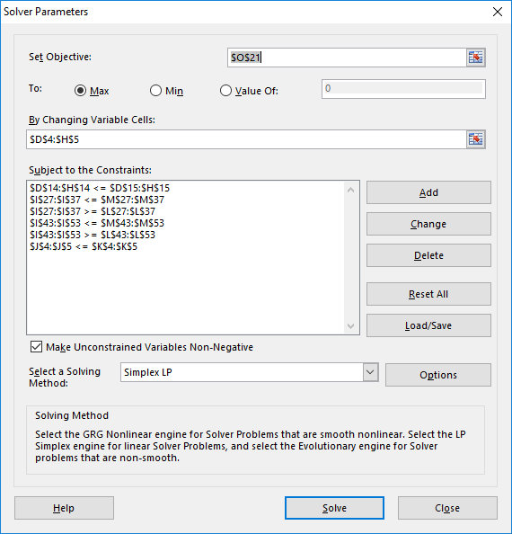
 | Premium gasoline E5 |  |  |  |  |  |  | 0 | 4000 | TRUE |  | 429 | 0

 | Alternate base (mass) decision variables
 | Comp. Density [t/m³] | 0.790 | 0.680 | 0.700 | 0.680 | 0.794 |  | Total Blends [t]
 | Premium gasoline E10 | 0.0 | 0.0 | 0.0 | 0.0 | 0.0 |  | 0
 | Premium gasoline E5 | 0.0 | 0.0 | 0.0 | 0.0 | 0.0 |  | 0

 | Total components and constraints
 | Total components [m³] | 0 | 0 | 0 | 0 | 0
 | Max components [m³] | 2000 | 1000 | 2000 | 2000 | 1000
 | Max Check | TRUE | TRUE | TRUE | TRUE | TRUE
 | Total components [t] | 0 | 0 | 0 | 0 | 0

 | Objective Function: Purchase Part
 | Component Costs [$/m³] | 420 | 435 | 440 | 423 | 350 |  |  |  |  |  | Objective Function: Total
 | Total Comp. Costs [$] | 0 | 0 | 0 | 0 | 0 |  |  |  |  |  | Total Profit [$]: | 0

 | Blend Specficications E10 |  |  |  |  |  | Property x | Specs |  | Specs x Quantity |  | On Spec? | Blend Property
 |  |  |  |  |  |  | Quantity | MIN | MAX | MIN | MAX
 | Density@15°C [kg/l] | 0.790 | 0.680 | 0.700 | 0.680 | 0.794 | 0.0 | 0.720 | 0.775 | 0.0 | 0.0 | TRUE | #DIV/0!
 | RON | 96 | 88 | 101 | 93 | 112 | 0.0 | 95 | 999 | 0.0 | 0.0 | TRUE | #DIV/0!
 | Vapor Pressure [kPa] | 30 | 70 | 40 | 70 | 150 | 0.0 | 45 | 60 | 0.0 | 0.0 | TRUE | #DIV/0!
 | Aromates [vol%] | 58 | 1.5 | 0.1 | 1 | 0 | 0.0 | 0 | 35 | 0.0 | 0.0 | TRUE | #DIV/0!
 | Benzene [vol%] | 1.5 | 0.1 | 0.1 | 0.5 | 0 | 0.0 | 0 | 1 | 0.0 | 0.0 | TRUE | #DIV/0!
 | Ethanol [vol%] | 0 | 0 | 0 | 0 | 100 | 0.0 | 0 | 10 | 0.0 | 0.0 | TRUE | #DIV/0!
 | Sulphur [mg/kg] | 0 | 2 | 2 | 50 | 0 | 0.0 | 0 | 10 | 0.0 | 0.0 | TRUE | #DIV/0!
 | Oxygen [wt%] | 0 | 0 | 0 | 0 | 34.8 | 0.0 | 0 | 3.7 | 0.0 | 0.0 | TRUE | #DIV/0!
 | E70 [vol%] | 4 | 80 | 8 | 70 | 180 | 0.0 | 20 | 48 | 0.0 | 0.0 | TRUE | #DIV/0!
 | E100 [vol%] | 25 | 95 | 30 | 90 | 110 | 0.0 | 46 | 71 | 0.0 | 0.0 | TRUE | #DIV/0!
 | E150 [vol%] | 95 | 99 | 94 | 100 | 100 | 0.0 | 75 | 100 | 0.0 | 0.0 | TRUE | #DIV/0!
 |  |  |  |  |  | * cursive values are effective property values superseeding real ones
 |  |  |  |  |  | * darker shade is weight based

 | Blend Specficications E5 |  |  |  |  |  | Property x | Specs |  | Specs x Quantity |  | On Spec? | Blend Property
 |  |  |  |  |  |  | Quantity | MIN | MAX | MIN | MAX
 | Density@15°C [kg/l] | 0.790 | 0.680 | 0.700 | 0.680 | 0.794 | 0.0 | 0.720 | 0.775 | 0 | 0 | TRUE | #DIV/0!
 | RON | 96 | 88 | 101 | 93 | 112 | 0.0 | 95 | 999 | 0 | 0 | TRUE | #DIV/0!
 | Vapor Pressure [kPa] | 30 | 70 | 40 | 70 | 150 | 0.0 | 45 | 60 | 0 | 0 | TRUE | #DIV/0!
 | Aromates [vol%] | 58 | 1.5 | 0.1 | 1 | 0 | 0.0 | 0 | 35 | 0 | 0 | TRUE | #DIV/0!
 | Benzene [vol%] | 1.5 | 0.1 | 0.1 | 0.5 | 0 | 0.0 | 0 | 1 | 0 | 0 | TRUE | #DIV/0!
 | Ethanol [vol%] | 0 | 0 | 0 | 0 | 100 | 0.0 | 0 | 5 | 0 | 0 | TRUE | #DIV/0!
 | Sulphur [mg/kg] | 0 | 2 | 2 | 50 | 0 | 0.0 | 0 | 10 | 0 | 0 | TRUE | #DIV/0!
 | Oxygen [wt%] | 0 | 0 | 0 | 0 | 34.8 | 0.0 | 0 | 2.7 | 0 | 0 | TRUE | #DIV/0!
 | E70 [vol%] | 4 | 80 | 8 | 70 | 180 | 0.0 | 20 | 48 | 0 | 0 | TRUE | #DIV/0!
 | E100 [vol%] | 25 | 95 | 30 | 90 | 110 | 0.0 | 46 | 71 | 0 | 0 | TRUE | #DIV/0!
 | E150 [vol%] | 95 | 99 | 94 | 100 | 100 | 0.0 | 75 | 100 | 0 | 0 | TRUE | #DIV/0!
 |  |  |  |  |  | * cursive values are effective property values superseeding real ones
 |  |  |  |  |  | * darker shade is weight based

Example 5
Decision Variables [t] |  |  |  | Components |  |  |  |  |  | Total blends and constraints |  |  |  | Objective Function: Sales Part |  |  |  |  |  | Solver Settings
 |  | LS Short Residue | HS Short Resiude | LS VGO | HS VGO | Gasoil |  |  |  | Total Blends [t] | Max Blend [t] | Max Check |  | Sales Price [$/t] | Sales Revenue [$] |  |  |  |  | Solver tolerance for checks | 0.000001 | * may be necessary for this problem
Blends | RMK 380 0.5% |  |  |  |  |  |  |  |  | 0 | 2000 | TRUE |  | 240 | 0
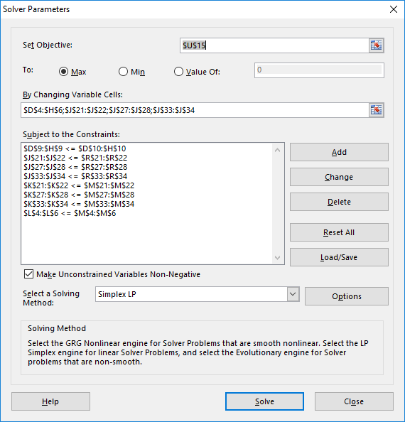
 | RMK 380 1.0% |  |  |  |  |  |  |  |  | 0 | 1000 | TRUE |  | 220 | 0
 | RMK 700 2.5% |  |  |  |  |  |  |  |  | 0 | 4000 | TRUE |  | 160 | 0

 | Total components and constraints
 | Total components [t] | 0 | 0 | 0 | 0 | 0
 | Max components [t] | 2000 | 2000 | 1000 | 1000 | 200
 | Max Check | TRUE | TRUE | TRUE | TRUE | TRUE

 | Objective Function: Purchase Part
 | Component Costs [$/t] | 160 | 140 | 260 | 190 | 260 |  |  |  |  |  |  |  | Objective Function: Total Blend Profit |  |  |  | Objective Function: Total Profit
 | Total Comp. Costs [$] | 0 | 0 | 0 | 0 | 0 |  |  |  |  |  |  |  | Total Profit [$]: | 0 |  |  | Total Profit [$]: | 0

 | Blend Specficications RMK 380 0.5% |  |  |  |  |  | Property x | Prop. Load | After | MAX | MAX | On Spec? | Blend Property |  | Bound | Bound Max Slack | Feasible? | Slack cost [$/(unit x t)] | Slack cost
 |  |  |  |  |  |  | Quantity | Max Slack | Slack |  | x Quantity |  |  |  | Max Slack | x product quantity
 | Sulfur [m%] | 0.6 | 3.2 | 0.3 | 1.8 | 0.1 | 0.0 |  | 0.0 | 0.50 | 0 | TRUE | #DIV/0! |  | 0.2 | 0.000 | TRUE | 80 | 0.0
 | Viscosity Blend Number | 38.7 | 40 | 22.3 | 22.6 | 19.2 | 0.0 |  | 0.0 | 36.9 | 0 | TRUE | #DIV/0! |  | 0 | 0.0 | TRUE | 0 | 0.0

 | Blend Specficications RMK 380 1.0% |  |  |  |  |  | Property x | Prop. Load | After | MAX | MAX | On Spec? | Blend Property |  | Bound | Bound Max Slack | Feasible? | Slack cost [$/(unit x t)] | Slack cost
 |  |  |  |  |  |  | Quantity | Max Slack | Slack |  | x Quantity |  |  |  | Max Slack | x product quantity
 | Sulfur [m%] | 0.6 | 3.2 | 0.3 | 1.8 | 0.1 | 0.0 |  | 0.0 | 1.0 | 0 | TRUE | #DIV/0! |  | 0.2 | 0.000 | TRUE | 40 | 0.0
 | Viscosity Blend Number | 38.7 | 40 | 22.3 | 22.6 | 19.2 | 0.0 |  | 0.0 | 36.9 | 0 | TRUE | #DIV/0! |  | 0 | 0.0 | TRUE | 0 | 0.0

 | Blend Specficications RMK 700 2.5% |  |  |  |  |  | Property x | Prop. Load | After | MAX | MAX | On Spec? | Blend Property |  | Bound | Bound Max Slack | Feasible? | Slack cost [$/(unit x t)] | Slack cost
 |  |  |  |  |  |  | Quantity | Max Slack | Slack |  | x Quantity |  |  |  | Max Slack | x product quantity
 | Sulfur [m%] | 0.6 | 3.2 | 0.3 | 1.8 | 0.1 | 0.0 |  | 0.0 | 2.5 | 0 | TRUE | #DIV/0! |  | 0.5 | 0.000 | TRUE | 25 | 0.0
 | Viscosity Blend Number | 38.7 | 40 | 22.3 | 22.6 | 19.2 | 0.0 |  | 0.0 | 38.3 | 0 | TRUE | #DIV/0! |  | 0 | 0.0 | TRUE | 0 | 0.0

 |  |  |  |  |  |  |  |  |  |  |  |  |  |  |  |  |  | Objective Function: Slack Cost
 |  |  |  |  |  |  |  |  |  |  |  |  |  |  |  |  |  | Total Profit [$]: | 0

Example 3 Staircase
Decision Variables [m³] |  |  |  | Components |  |  |  |  |  |  |  |  |  | Total blends and constraints |  |  |  | Objective Function: Sales Part |  | Solver Settings
 |  | Reformate | Isomerate | Alkylate | Cracked | Ethanol | Ethanol <1.5% | Ethanol 1.5-3% | Ethanol 3-5% | Ethanol 5-7% | Ethanol 7-9% | Ethanol 9-10% |  | Total Blends [m³] | Max Blend [m³] | Max Check |  | Sales Price [$/m³] | Sales Revenue [$] | Solver tolerance for checks | 0.000001 | * may be necessary for this problem
Blends | Premium gasoline E10 | 1046 | 0 | 0 | 837 |  | 0 | 0 | 0 | 0 | 0 | 209 |  | 2093 | 2500 | TRUE |  | 425 | 889451
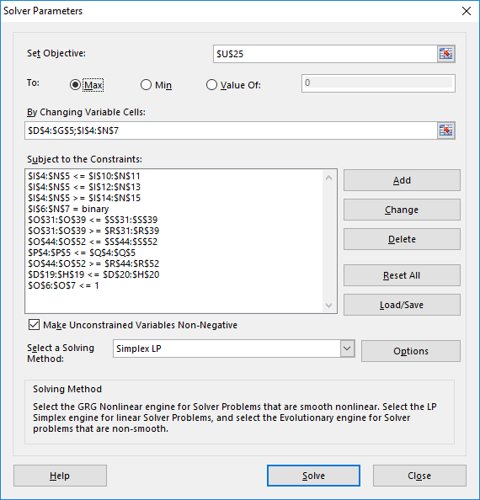
 | Premium gasoline E5 | 954 | 0 | 0 | 1163 |  | 0 | 0 | 0 | 111 | 0 | 0 |  | 2228 | 4000 | TRUE |  | 429 | 955747
 |  |  |  |  |  | Auxiliary variables E10: | 0 | 0 | 0 | 0 | 0 | 1 | 1
 |  |  |  |  |  | Auxiliary variables E5: | 0 | 0 | 0 | 1 | 0 | 0 | 1
 |  |  |  |  |  | min blend ratios: | 0.0% | 1.5% | 3.0% | 5.0% | 7.0% | 9.0%
 |  |  |  |  |  | max blend ratios: | 1.5% | 3.0% | 5.0% | 7.0% | 9.0% | 10.0%
 |  |  |  | Big M: | 6500 | M*y E10: | 0 | 0 | 0 | 0 | 0 | 6500
 |  |  |  |  |  | M*y E5: | 0 | 0 | 0 | 6500 | 0 | 0
 |  |  |  |  |  | max ratio * E10: | 31 | 63 | 105 | 146 | 188 | 209
 |  |  |  |  |  | max ratio * E5: | 33 | 67 | 111 | 156 | 201 | 223
 |  |  |  |  |  | min ratio * E10 - 1-y*M: | -6500 | -6469 | -6437 | -6395 | -6354 | 188
 |  |  |  |  |  | min ratio * E5 - 1-y*M: | -6500 | -6467 | -6433 | 111 | -6344 | -6299
 |  |  |  |  |  | Check E10: | TRUE | TRUE | TRUE | TRUE | TRUE | TRUE
 |  |  |  |  |  | Check E5: | TRUE | TRUE | TRUE | TRUE | TRUE | TRUE
 | Total components and constraints
 | Total components [m³] | 2000 | 0 | 0 | 2000 | 321
 | Max components [m³] | 2000 | 1000 | 2000 | 2000 | 1000
 | Max Check | TRUE | TRUE | TRUE | TRUE | TRUE

 | Objective Function: Purchase Part
 | Component Costs [$/m³] | 420 | 435 | 440 | 423 | 350 |  |  |  |  |  |  |  |  |  |  |  | Objective Function: Total
 | Total Comp. Costs [$] | 840000 | 0 | 0 | 846000 | 112236 |  |  |  |  |  |  |  |  |  |  |  | Total Profit [$]: | 46962

 | Blend Specficications E10 |  |  |  |  |  |  |  |  |  |  |  | Property x | Specs |  | Specs x Quantity |  | On Spec? | Blend Property
 |  |  |  |  |  |  |  |  |  |  |  |  | Quantity | MIN | MAX | MIN | MAX
 | Density@15°C [kg/l] | 0.790 | 0.680 | 0.700 | 0.680 |  | 0.794 | 0.794 | 0.794 | 0.794 | 0.794 | 0.794 | 1562.1 | 0.720 | 0.775 | 1507 | 1622 | TRUE | 0.746
 | RON | 96 | 88 | 101 | 93 |  | 112 | 112 | 112 | 112 | 112 | 112 | 201748.5 | 95 | 999 | 198819 | 2090734 | TRUE | 96.4
 | Vapor Pressure [kPa] | 30 | 70 | 40 | 70 |  | 150 | 150 | 150 | 150 | 150 | 150 | 121384.0 | 45 | 60 | 94177 | 125570 | TRUE | 58.0
 | Aromates [vol%] | 58 | 1.5 | 0.1 | 1 |  | 0 | 0 | 0 | 0 | 0 | 0 | 61529.1 | 0 | 35 | 0 | 73249 | TRUE | 29.4
 | Benzene [vol%] | 1.5 | 0.1 | 0.1 | 0.5 |  | 0 | 0 | 0 | 0 | 0 | 0 | 1988.2 | 0 | 1 | 0 | 2093 | TRUE | 1.0
 | Ethanol [vol%] | 0 | 0 | 0 | 0 |  | 100 | 100 | 100 | 100 | 100 | 100 | 20928.3 | 0 | 10 | 0 | 20928 | TRUE | 10.0
 | E70 [vol%] | 4 | 80 | 8 | 70 |  | 250 | 225 | 205 | 195 | 185 | 180 | 100455.7 | 20 | 48 | 41857 | 100456 | TRUE | 48.0
 | E100 [vol%] | 25 | 95 | 30 | 90 |  | 110 | 110 | 110 | 110 | 110 | 110 | 124523.2 | 46 | 71 | 96270 | 148591 | TRUE | 59.5
 | E150 [vol%] | 95 | 99 | 94 | 100 |  | 100 | 100 | 100 | 100 | 100 | 100 | 204050.6 | 75 | 100 | 156962 | 209283 | TRUE | 97.5
 |  |  |  |  |  |  |  |  |  |  |  | * cursive values are effective property values superseeding real ones

 | Blend Specficications E5 |  |  |  |  |  |  |  |  |  |  |  | Property x | Specs |  | Specs x Quantity |  | On Spec? | Blend Property
 |  |  |  |  |  |  |  |  |  |  |  |  | Quantity | MIN | MAX | MIN | MAX
 | Density@15°C [kg/l] | 0.790 | 0.680 | 0.700 | 0.680 |  | 0.794 | 0.794 | 0.794 | 0.794 | 0.794 | 0.794 | 1632.5 | 0.720 | 0.775 | 1604 | 1727 | TRUE | 0.733
 | RON | 96 | 88 | 101 | 93 |  | 112 | 112 | 112 | 112 | 112 | 112 | 212167.1 | 95 | 999 | 211646 | 2225620 | TRUE | 95.2
 | Vapor Pressure [kPa] | 30 | 70 | 40 | 70 |  | 150 | 150 | 150 | 150 | 150 | 150 | 126717.3 | 45 | 60 | 100253 | 133671 | TRUE | 56.9
 | Aromates [vol%] | 58 | 1.5 | 0.1 | 1 |  | 0 | 0 | 0 | 0 | 0 | 0 | 56470.9 | 0 | 35 | 0 | 77975 | TRUE | 25.3
 | Benzene [vol%] | 1.5 | 0.1 | 0.1 | 0.5 |  | 0 | 0 | 0 | 0 | 0 | 0 | 2011.8 | 0 | 1 | 0 | 2228 | TRUE | 0.9
 | Ethanol [vol%] | 0 | 0 | 0 | 0 |  | 100 | 100 | 100 | 100 | 100 | 100 | 11139.2 | 0 | 5 | 0 | 11139 | TRUE | 5.0
 | E70 [vol%] | 4 | 80 | 8 | 70 |  | 250 | 225 | 205 | 195 | 185 | 180 | 106936.7 | 20 | 48 | 44557 | 106937 | TRUE | 48.0
 | E100 [vol%] | 25 | 95 | 30 | 90 |  | 110 | 110 | 110 | 110 | 110 | 110 | 140751.1 | 46 | 71 | 102481 | 158177 | TRUE | 63.2
 | E150 [vol%] | 95 | 99 | 94 | 100 |  | 100 | 100 | 100 | 100 | 100 | 100 | 218016.9 | 75 | 100 | 167089 | 222785 | TRUE | 97.9
 |  |  |  |  |  |  |  |  |  |  |  | * cursive values are effective property values superseeding real ones

Example 3 Incremental
Decision Variables [m³] |  |  |  | Components |  |  |  |  |  |  |  |  |  | Total blends and constraints |  |  |  | Objective Function: Sales Part |  | Solver Settings
 |  | Reformate | Isomerate | Alkylate | Cracked | Ethanol | Ethanol 1% | Ethanol 2% | Ethanol 4% | Ethanol 6% | Ethanol 8% | Ethanol 10% |  | Total Blends [m³] | Max Blend [m³] | Max Check |  | Sales Price [$/m³] | Sales Revenue [$] | Solver tolerance for checks | 0.000001 | * may be necessary for this problem
Blends | Premium gasoline E10 | 1010 | 0 | 0 | 808 |  | 20 | 20 | 40 | 40 | 40 | 40 |  | 2019 | 2500 | TRUE |  | 425 | 858138
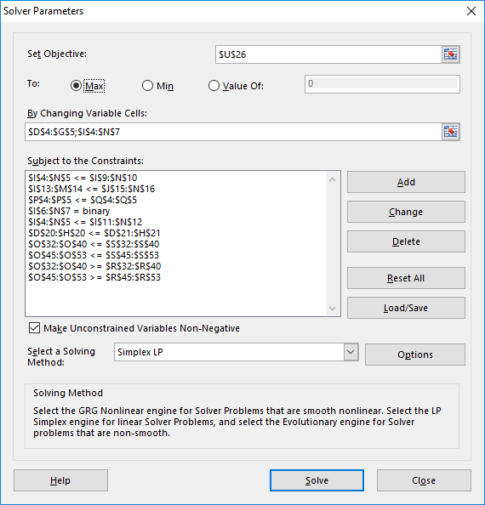
 | Premium gasoline E5 | 990 | 0 | 0 | 1192 |  | 23 | 23 | 46 | 23 | 0 | 0 |  | 2298 | 4000 | TRUE |  | 429 | 985692
 |  |  |  |  |  | Auxiliary variables E10: | 1 | 1 | 1 | 1 | 1 | 1
 |  |  |  |  |  | Auxiliary variables E5: | 1 | 1 | 1 | 1 | 0 | 0
 |  |  |  |  |  | max blend ratios: | 1.0% | 2.0% | 4.0% | 6.0% | 8.0% | 10.0%
 |  |  |  | Big M: | 6500 | M*y E10: | 6500 | 6500 | 6500 | 6500 | 6500 | 6500
 |  |  |  |  |  | M*y E5: | 6500 | 6500 | 6500 | 6500 | 0 | 0
 |  |  |  |  |  | max into E10: | 20 | 20 | 40 | 40 | 40 | 40
 |  |  |  |  |  | max into E5: | 23 | 23 | 46 | 46 | 46 | 46
 |  |  |  |  |  | slack E10: | 0 | 0 | 0 | 0 | 0 | 0
 |  |  |  |  |  | slack E5: | 0 | 0 | 0 | 23 | 46 | 46
 |  |  |  |  |  | M * (1-y) E10: | 6500 | 0 | 0 | 0 | 0 | 0
 |  |  |  |  |  | M * (1-y) E5: | 6500 | 0 | 0 | 0 | 6500 | 6500
 |  |  |  |  |  | Check E10: | TRUE | TRUE | TRUE | TRUE | TRUE | TRUE
 |  |  |  |  |  | Check E5: | TRUE | TRUE | TRUE | TRUE | TRUE | TRUE
 | Total components and constraints
 | Total components [m³] | 2000 | 0 | 0 | 2000 | 317
 | Max components [m³] | 2000 | 1000 | 2000 | 2000 | 1000
 | Max Check | TRUE | TRUE | TRUE | TRUE | TRUE

 | Objective Function: Purchase Part
 | Component Costs [$/m³] | 420 | 435 | 440 | 423 | 350 |  |  |  |  |  |  |  |  |  |  |  | Objective Function: Total
 | Total Comp. Costs [$] | 840000 | 0 | 0 | 846000 | 110879 |  |  |  |  |  |  |  |  |  |  |  | Total Profit [$]: | 46950

 | Blend Specficications E10 |  |  |  |  | Effective Value |  |  |  |  |  |  | Property x | Specs |  | Specs x Quantity |  | On Spec? | Blend Property
 |  |  |  |  |  | Ethanol |  |  |  |  |  |  | Quantity | MIN | MAX | MIN | MAX
 | Density@15°C [kg/l] | 0.790 | 0.680 | 0.700 | 0.680 | 0.794 | 0.794 | 0.794 | 0.794 | 0.794 | 0.794 | 0.794 | 1507.1 | 0.720 | 0.775 | 1454 | 1565 | TRUE | 0.746
 | RON | 96 | 88 | 101 | 93 | 112 | 112 | 112 | 112 | 112 | 112 | 112 | 194645.8 | 95 | 999 | 191819 | 2017128 | TRUE | 96.4
 | Vapor Pressure [kPa] | 30 | 70 | 40 | 70 | 150 | 150 | 150 | 150 | 150 | 150 | 150 | 117110.5 | 45 | 60 | 90862 | 121149 | TRUE | 58.0
 | Aromates [vol%] | 58 | 1.5 | 0.1 | 1 | 0 | 0 | 0 | 0 | 0 | 0 | 0 | 59362.9 | 0 | 35 | 0 | 70670 | TRUE | 29.4
 | Benzene [vol%] | 1.5 | 0.1 | 0.1 | 0.5 | 0 | 0 | 0 | 0 | 0 | 0 | 0 | 1918.2 | 0 | 1 | 0 | 2019 | TRUE | 0.9
 | Ethanol [vol%] | 0 | 0 | 0 | 0 | 100 | 100 | 100 | 100 | 100 | 100 | 100 | 20191.5 | 0 | 10 | 0 | 20191 | TRUE | 10.0
 | E70 [vol%] | 4 | 80 | 8 | 70 | 180 | 250 | 200 | 185 | 175 | 155 | 160 | 96919.1 | 20 | 48 | 40383 | 96919 | TRUE | 48.0
 | E100 [vol%] | 25 | 95 | 30 | 90 | 110 | 110 | 110 | 110 | 110 | 110 | 110 | 120139.3 | 46 | 71 | 92881 | 143359 | TRUE | 59.5
 | E150 [vol%] | 95 | 99 | 94 | 100 | 100 | 100 | 100 | 100 | 100 | 100 | 100 | 196866.8 | 75 | 100 | 151436 | 201915 | TRUE | 97.5
 |  |  |  |  |  |  |  |  |  |  |  | * cursive values are effective property values superseeding real ones

 | Blend Specficications E5 |  |  |  |  | Effective Value |  |  |  |  |  |  | Property x | Specs |  | Specs x Quantity |  | On Spec? | Blend Property
 |  |  |  |  |  | Ethanol |  |  |  |  |  |  | Quantity | MIN | MAX | MIN | MAX
 | Density@15°C [kg/l] | 0.790 | 0.680 | 0.700 | 0.680 | 0.794 | 0.794 | 0.794 | 0.794 | 0.794 | 0.794 | 0.794 | 1684.4 | 0.720 | 0.775 | 1654 | 1781 | TRUE | 0.733
 | RON | 96 | 88 | 101 | 93 | 112 | 112 | 112 | 112 | 112 | 112 | 112 | 218835.5 | 95 | 999 | 218277 | 2295352 | TRUE | 95.2
 | Vapor Pressure [kPa] | 30 | 70 | 40 | 70 | 150 | 150 | 150 | 150 | 150 | 150 | 150 | 130409.1 | 45 | 60 | 103394 | 137859 | TRUE | 56.8
 | Aromates [vol%] | 58 | 1.5 | 0.1 | 1 | 0 | 0 | 0 | 0 | 0 | 0 | 0 | 58637.1 | 0 | 35 | 0 | 80418 | TRUE | 25.5
 | Benzene [vol%] | 1.5 | 0.1 | 0.1 | 0.5 | 0 | 0 | 0 | 0 | 0 | 0 | 0 | 2081.8 | 0 | 1 | 0 | 2298 | TRUE | 0.9
 | Ethanol [vol%] | 0 | 0 | 0 | 0 | 100 | 100 | 100 | 100 | 100 | 100 | 100 | 11488.3 | 0 | 5 | 0 | 11488 | TRUE | 5.0
 | E70 [vol%] | 4 | 80 | 8 | 70 | 199.00000002 | 250 | 200 | 185 | 175 | 155 | 160 | 110287.2 | 20 | 48 | 45953 | 110287 | TRUE | 48.0
 | E100 [vol%] | 25 | 95 | 30 | 90 | 110 | 110 | 110 | 110 | 110 | 110 | 110 | 144708.4 | 46 | 71 | 105692 | 163133 | TRUE | 63.0
 | E150 [vol%] | 95 | 99 | 94 | 100 | 100 | 100 | 100 | 100 | 100 | 100 | 100 | 224812.9 | 75 | 100 | 172324 | 229765 | TRUE | 97.8
 |  |  |  |  |  |  |  |  |  |  |  | * cursive values are effective property values superseeding real ones

Example 3 Quadratic
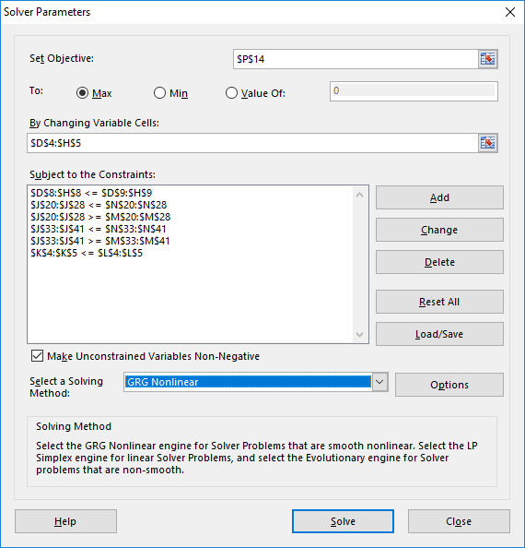
this is now a quadratic problem, so you have to select the nonlinear solver
Decision Variables [m³] |  |  |  | Components |  |  | Interactions |  | Total blends and constraints |  |  |  | Objective Function: Sales Part |  | Solver Settings
 |  | Reformate | Isomerate | Alkylate | Cracked | Ethanol |  |  | Total Blends [m³] | Max Blend [m³] | Max Check |  | Sales Price [$/m³] | Sales Revenue [$]
Blends | Premium gasoline E10 | 1 | 1 | 1 | 1 | 1 | 1 |  | 5 | 2500 | TRUE |  | 425 | 2125
 | Premium gasoline E5 | 1 | 1 | 1 | 1 | 1 | 1 |  | 5 | 4000 | TRUE |  | 429 | 2145
 |  | * try starting with 0s instead of 1s, depending on your version this might return a different result
 | Total components and constraints
 | Total components [m³] | 2 | 2 | 2 | 2 | 2
 | Max components [m³] | 2000 | 1000 | 2000 | 2000 | 1000
 | Max Check | TRUE | TRUE | TRUE | TRUE | TRUE

 | Objective Function: Purchase Part
 | Component Costs [$/m³] | 420 | 435 | 440 | 423 | 350 |  |  |  |  |  |  | Objective Function: Total
 | Total Comp. Costs [$] | 840 | 870 | 880 | 846 | 700 |  |  |  |  |  |  | Total Profit [$]: | 134

 | Blend Specficications E10 |  |  |  |  |  |  | Property x | Specs |  | Specs x Quantity |  | On Spec? | Blend Property
 |  |  |  |  |  |  |  | Quantity | MIN | MAX | MIN | MAX
 | Density@15°C [kg/l] | 0.790 | 0.680 | 0.700 | 0.680 | 0.794 |  | 3.6 | 0.720 | 0.775 | 4 | 4 | TRUE | 0.729
 | RON | 96 | 88 | 101 | 93 | 112 | -2 | 2448.0 | 95 | 999 | 2375 | 24975 | TRUE | 97.9
 | Vapor Pressure [kPa] | 30 | 70 | 40 | 70 | 150 |  | 360.0 | 45 | 60 | 225 | 300 | FALSE | 72.0
 | Aromates [vol%] | 58 | 1.5 | 0.1 | 1 | 0 |  | 60.6 | 0 | 35 | 0 | 175 | TRUE | 12.1
 | Benzene [vol%] | 1.5 | 0.1 | 0.1 | 0.5 | 0 |  | 2.2 | 0 | 1 | 0 | 5 | TRUE | 0.4
 | Ethanol [vol%] | 0 | 0 | 0 | 0 | 100 |  | 100.0 | 0 | 10 | 0 | 50 | FALSE | 20.0
 | E70 [vol%] | 4 | 80 | 8 | 70 | 180 |  | 342.0 | 20 | 48 | 100 | 240 | FALSE | 68.4
 | E100 [vol%] | 25 | 95 | 30 | 90 | 110 |  | 350.0 | 46 | 71 | 230 | 355 | TRUE | 70.0
 | E150 [vol%] | 95 | 99 | 94 | 100 | 100 |  | 488.0 | 75 | 100 | 375 | 500 | TRUE | 97.6
 |  |  |  |  |  | * cursive values are effective property values superseeding real ones
 |  |  |  |  |  | * darker shades are quadratic blends
 | Blend Specficications E5 |  |  |  |  |  |  | Property x | Specs |  | Specs x Quantity |  | On Spec? | Blend Property
 |  |  |  |  |  |  |  | Quantity | MIN | MAX | MIN | MAX
 | Density@15°C [kg/l] | 0.790 | 0.680 | 0.700 | 0.680 | 0.794 |  | 3.6 | 0.720 | 0.775 | 4 | 4 | TRUE | 0.729
 | RON | 96 | 88 | 101 | 93 | 112 | -2 | 2448.0 | 95 | 999 | 2375 | 24975 | TRUE | 97.9
 | Vapor Pressure [kPa] | 30 | 70 | 40 | 70 | 150 |  | 360.0 | 45 | 60 | 225 | 300 | FALSE | 72.0
 | Aromates [vol%] | 58 | 1.5 | 0.1 | 1 | 0 |  | 60.6 | 0 | 35 | 0 | 175 | TRUE | 12.1
 | Benzene [vol%] | 1.5 | 0.1 | 0.1 | 0.5 | 0 |  | 2.2 | 0 | 1 | 0 | 5 | TRUE | 0.4
 | Ethanol [vol%] | 0 | 0 | 0 | 0 | 100 |  | 100.0 | 0 | 5 | 0 | 25 | FALSE | 20.0
 | E70 [vol%] | 4 | 80 | 8 | 70 | 180 |  | 342.0 | 20 | 48 | 100 | 240 | FALSE | 68.4
 | E100 [vol%] | 25 | 95 | 30 | 90 | 110 |  | 350.0 | 46 | 71 | 230 | 355 | TRUE | 70.0
 | E150 [vol%] | 95 | 99 | 94 | 100 | 100 |  | 488.0 | 75 | 100 | 375 | 500 | TRUE | 97.6
 |  |  |  |  |  | * cursive values are effective property values superseeding real ones
 |  |  |  |  |  | * darker shades are quadratic blends

Example 5 Pooling
Decision Variables [t] |  |  |  | Components |  |  | Pool |  |  |  |  |  |  |  |  | Solver Settings
 |  | LS Short Residue | HS Short Resiude | LS VGO | HS VGO | Gasoil | Pool A | Pool B |  |  |  |  |  |  |  | Solver tolerance for checks | 0.000001 | * may be necessary for this problem
Pools | Pool A |  |  |  |  |  |  |  |  | Total blends and constraints |  |  |  | Objective Function: Sales Part

 | Pool B |  |  |  |  |  |  |  |  | Total Blends [t] | Max Blend [t] | Max Check |  | Sales Price [$/t] | Sales Revenue [$]
Blends | RMK 380 0.5% |  |  |  |  |  |  |  |  | 0 | 2000 | TRUE |  | 240 | 0
 | RMK 380 1.0% |  |  |  |  |  |  |  |  | 0 | 1000 | TRUE |  | 220 | 0
 | RMK 700 2.5% |  |  |  |  |  |  |  |  | 0 | 4000 | TRUE |  | 160 | 0
 |  |  |  |  |  | Pools In [t]: | 0 | 0
 |  |  |  |  |  | Pools Out [t]: | 0 | 0
 |  |  |  |  |  |  | TRUE | TRUE

 | Total components and constraints
 | Total components [t] | 0 | 0 | 0 | 0 | 0
 | Max components [t] | 2000 | 2000 | 1000 | 1000 | 200
 | Max Check | TRUE | TRUE | TRUE | TRUE | TRUE

 | Objective Function: Purchase Part
 | Component Costs [$/t] | 160 | 140 | 260 | 190 | 260 |  |  |  |  |  |  |  | Objective Function: Total Profit
 | Total Comp. Costs [$] | 0 | 0 | 0 | 0 | 0 |  |  |  |  |  |  |  | Total Profit [$]: | 0

 | Pool Property Loads
 |  |  |  |  |  |  | Incoming property loads
 | Sulfur [m%] | 0.6 | 3.2 | 0.3 | 1.8 | 0.1 | 0.0 | 0.0
 | Viscosity Blend Number | 38.7 | 40 | 22.3 | 22.6 | 19.2 | 0.0 | 0.0
 |  |  |  |  |  |  | Assumed property values |  |  |  |  | Initial assumptions (for resetting)
 |  |  |  |  |  | Sulfur [m%] | 0.6 | 3.2 |  |  |  | 0.6 | 3.2
 |  |  |  |  |  | Viscosity Blend Number | 38.4 | 40.0 |  |  |  | 38.4 | 40.0
 |  |  |  |  |  |  | Assumed property loads
Copy values for recursion
 |  |  |  |  |  | Sulfur [m%] | 0.0 | 0.0
 |  |  |  |  |  | Viscosity Blend Number | 0.0 | 0.0
 |  |  |  |  |  |  | Property load slacks
 |  |  |  |  |  | Sulfur [m%] | 0.0 | 0.0
 |  |  |  |  |  | Viscosity Blend Number | 0.0 | 0.0
 |  |  |  |  |  |  | Actual property values
 |  |  |  |  |  | Sulfur [m%] | #DIV/0! | #DIV/0!
 |  |  |  |  |  | Viscosity Blend Number | #DIV/0! | #DIV/0!
 |  |  |  |  |  |  | Delta Property values |  |  | Tolerance
 |  |  |  |  |  | Sulfur [m%] | #DIV/0! | #DIV/0! |  | 0.10
 |  |  |  |  |  | Viscosity Blend Number | #DIV/0! | #DIV/0! |  | 0.25

 |  |  |  |  | Pool Distributions
 |  |  |  |  |  |  | Assumed |  |  |  |  | Initial assumptions (for resetting)
 |  |  |  |  | RMK 380 0.5% |  | 2.5% | 60.0% |  |  |  | 2.5% | 60.0%
 |  |  |  |  | RMK 380 1.0% |  | 97.5% | 0.0% |  |  |  | 97.5% | 0.0%
Copy values for recursion
 |  |  |  |  | RMK 700 2.5% |  | 0.0% | 40.0% |  |  |  | 0.0% | 40.0%
 |  |  |  |  |  |  | Actual
 |  |  |  |  | RMK 380 0.5% |  | #DIV/0! | #DIV/0!
 |  |  |  |  | RMK 380 1.0% |  | #DIV/0! | #DIV/0!
 |  |  |  |  | RMK 700 2.5% |  | #DIV/0! | #DIV/0!
 |  |  |  |  |  |  | Delta |  |  | Tolerance
 |  |  |  |  | RMK 380 0.5% |  | #DIV/0! | #DIV/0! |  | 1.0%
 |  |  |  |  | RMK 380 1.0% |  | #DIV/0! | #DIV/0! |  | 1.0%
 |  |  |  |  | RMK 700 2.5% |  | #DIV/0! | #DIV/0! |  | 1.0%

 |  |  |  |  | Blend Specficications RMK 380 0.5%
 |  |  |  |  |  |  | Incoming property loads |  | Total property load |  | MAX | MAX load | On Spec? | Blend Property
 |  |  |  |  |  | Sulfur [m%] | 0.0 | 0.0 |  | 0 | 0.5 | 0 | TRUE | #DIV/0!
 |  |  |  |  |  | Viscosity Blend Number | 0.0 | 0.0 |  | 0 | 36.9 | 0 | TRUE | #DIV/0!

 |  |  |  |  | Blend Specficications RMK 380 1.0%
 |  |  |  |  |  |  | Incoming property loads |  | Total property load |  | MAX | MAX load | On Spec? | Blend Property
 |  |  |  |  |  | Sulfur [m%] | 0.0 | 0.0 |  | 0 | 1 | 0 | TRUE | #DIV/0!
 |  |  |  |  |  | Viscosity Blend Number | 0.0 | 0.0 |  | 0 | 36.9 | 0 | TRUE | #DIV/0!

 |  |  |  |  | Blend Specficications RMK 700 2.5%
 |  |  |  |  |  |  | Incoming property loads |  | Total property load |  | MAX | MAX load | On Spec? | Blend Property
 |  |  |  |  |  | Sulfur [m%] | 0.0 | 0.0 |  | 0 | 2.5 | 0 | TRUE | #DIV/0!
 |  |  |  |  |  | Viscosity Blend Number | 0.0 | 0.0 |  | 0 | 38.3 | 0 | TRUE | #DIV/0!

